PCA Morphospace
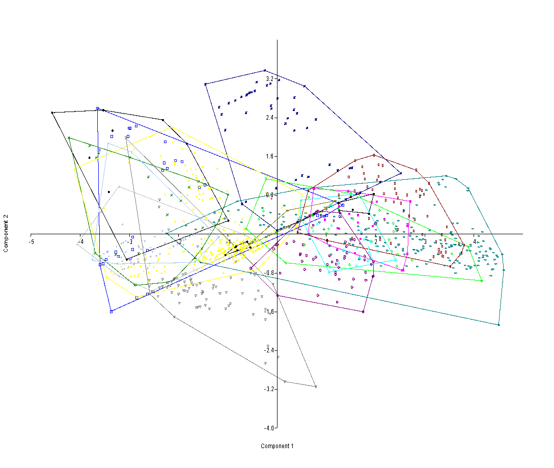

Skye Tooth=red cross
Basal Theropods=gray filled diamond
Coelophysoids=blue open squares
Ceratosaurids=pink filled squares
Noasaurids=green x
Abelisaurids=purple open circles
Megalosaurids=green diamonds
Spinosaurids=purple stars
Basal allosauroids=neon blue triangles
Neovenatorids=olive green open squares
Carcharodontosaurids=brown open squares
Tyrannosauroids=blue open ovals
Dromaeosaurids=yellow filled triangles
Troodontids=gray inverted triangles
Richardoestesia=filled inverted triangles

PCA Sensitvity
Results of a PCA in which AL (which is estimated for the Skye tooth) is excluded

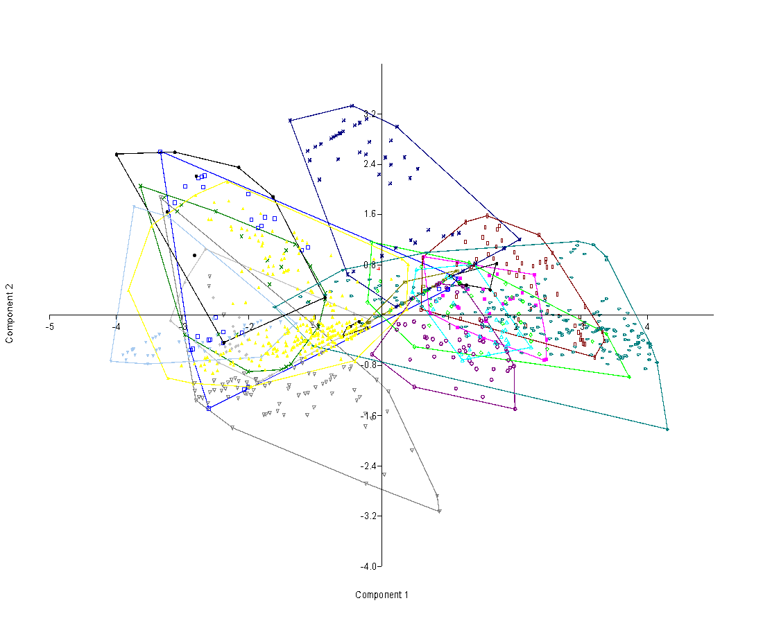
PC | Eigenvalue | % variance
1 | 3.84883 | 76.977
2 | 0.770967 | 15.419
3 | 0.321372 | 6.4274
4 | 0.035848 | 0.71696
5 | 0.0229852 | 0.4597

0 | Axis 1 | Axis 2 | Axis 3 | Axis 4 | Axis 5
Skye_Tooth | -0.041486 | 0.73365 | 1.2251 | 0.12912 | 0.22001
Eoraptor | -2.035 | -0.62047 | 0.36137 | 0.081109 | -0.28824
Eoraptor | -1.6576 | -0.95029 | -0.44128 | 0.48453 | -0.4445
Eoraptor | -1.6921 | -0.96702 | -0.43817 | 0.16795 | -0.42864
Eoraptor | -2.4361 | -0.63018 | 0.60824 | 0.25012 | -0.16622
Eoraptor | -2.4524 | -0.75546 | 0.40759 | 0.36115 | -0.08384
Eoraptor | -2.2027 | -0.49766 | 0.6658 | 0.23733 | -0.071383
Eoraptor | -2.1444 | -0.57595 | 0.50082 | 0.012952 | -0.0033328
Eoraptor | -2.653 | 1.0511 | -0.42114 | 0.03806 | 0.11128
Eoraptor | -2.5367 | 0.28489 | -0.27711 | 0.24367 | -0.11823
Eoraptor | -2.9649 | 0.5282 | -0.12878 | -0.010799 | 0.042811
Eoraptor | -3.1807 | -0.085314 | 0.13226 | 0.46292 | 0.41106
Eoraptor | -2.2189 | -0.24974 | 1.0905 | 0.133 | -0.1668
Eoraptor | -2.4421 | -0.62941 | 0.62042 | 0.19128 | -0.33069
Eoraptor | -1.8534 | -1.0583 | -0.47718 | 0.16618 | -0.49845
Eoraptor | -2.441 | -0.46552 | 0.87909 | 0.32977 | -0.12063
Eoraptor | -1.8418 | -1.0542 | -0.48163 | 0.12929 | -0.36462
Eoraptor | -2.0186 | -0.39044 | 0.72014 | 0.17659 | -0.095358
Eoraptor | -2.1938 | -0.49344 | 0.66574 | 0.17977 | 0.0010316
Eoraptor | -2.0477 | -0.6303 | 0.35007 | 0.065279 | -0.16401
Eoraptor | -2.259 | -0.53207 | 0.64376 | 0.28491 | -0.0030644
Eoraptor | -2.3423 | -0.58001 | 0.62137 | 0.26835 | 0.0032967
Eoraptor | -2.1646 | -0.47786 | 0.66935 | 0.2391 | 0.026965
Eoraptor | -2.2898 | -0.45825 | 0.79827 | 0.076698 | -0.21607
Eoraptor | -2.2393 | -0.17984 | 1.2151 | 0.089356 | -0.005636
Eoraptor | -2.3594 | -0.50585 | 0.7546 | 0.17621 | 0.082792
Eoraptor | -1.7915 | -1.0324 | -0.49037 | 0.0873 | -0.010946
Ischisaurus | -0.15097 | -0.088072 | -0.045099 | 0.052491 | 0.025945
Ischisaurus | -0.41889 | 0.022014 | 0.3179 | 0.064283 | -0.0063559
Eodromaeus | -2.1439 | -0.033311 | 1.4046 | -0.19253 | -0.1826
Coelophysis | -2.6008 | -1.4869 | -0.66997 | -0.42697 | -0.28089
Coelophysis | -2.014 | -1.1447 | -0.49879 | -0.17353 | -0.60837
Coelophysis | -2.495 | -0.038969 | 1.6301 | -0.083517 | -0.18918
Coelophysis | -3.3333 | 2.6004 | -0.025982 | -0.35698 | -0.065228
Coelophysis | -2.7568 | 2.1772 | 0.041962 | -0.36944 | -0.20841
Coelophysis | -2.7062 | 2.1998 | 0.034534 | -0.35017 | 0.089191
Coelophysis | -2.6692 | 2.219 | 0.037831 | -0.32634 | 0.17285
Coelophysis | -1.9621 | 1.5189 | -1.5869 | -0.35442 | 0.035549
Coelophysis | -2.6837 | 2.0384 | -0.25512 | -0.18569 | 0.23513
Coelophysis | -2.1024 | -0.27684 | 0.95435 | -0.08817 | 0.3871
Coelophysis | -2.9587 | 2.0463 | -0.061372 | -0.14423 | 0.35754
Coelophysis | -3.1149 | 1.7894 | -0.37538 | -0.080534 | 0.21225
Coelophysis | -2.6067 | -0.39321 | 1.1111 | -0.14232 | 0.19901
Coelophysis | -2.3872 | -0.44329 | 0.86698 | 0.18109 | 0.36297
Coelophysis | -2.5794 | -0.39 | 1.0746 | 0.40361 | 0.49858
Coelophysis | -2.8458 | -0.53732 | 1.0259 | -0.17361 | 0.51268
Coelophysis | -2.8772 | -0.55183 | 1.0292 | -0.24032 | 0.38168
Coelophysis | -2.073 | -1.186 | -0.53955 | 0.016236 | -0.36637
Coelophysis | -2.7731 | -0.33819 | 1.3303 | -0.29712 | -0.17362
Coelophysis | -2.387 | -0.26446 | 1.1767 | 0.041013 | -0.00042743
Liliensternus | -1.7564 | 1.5596 | -0.98231 | -0.14782 | 0.20874
Liliensternus | -1.6137 | 1.5355 | -0.32679 | -0.094205 | 0.23178
Liliensternus | -1.8633 | 1.3903 | -0.40252 | 0.28545 | 0.10839
Liliensternus | -1.204 | 1.0318 | -0.49361 | 0.024319 | 0.13342
Liliensternus | -1.1138 | 1.0815 | -0.4759 | -0.046967 | 0.27791
Liliensternus | -1.813 | 1.4208 | -0.38229 | 0.067854 | 0.14904
Liliensternus | -2.0054 | 1.9273 | -0.20353 | -0.2144 | 0.098753
Dilophosaurus | 0.86337 | 0.41693 | 0.093733 | 0.11451 | 0.18947
Dilophosaurus | 1.0032 | 0.41525 | 0.00054806 | 0.080354 | 0.092133
Dilophosaurus | 1.1457 | 0.58414 | 0.18672 | -0.059776 | 0.062243
Dilophosaurus | 0.988 | 0.40413 | -0.011181 | 0.088145 | 0.19812
Genyodectes | 1.6209 | 0.63658 | -0.037957 | -0.47768 | 0.066423
Genyodectes | 1.5203 | 0.41077 | -0.34249 | -0.068372 | -0.21269
Genyodectes | 1.1401 | 0.84572 | 0.26863 | -0.57831 | -0.094689
Genyodectes | 0.91513 | 0.31182 | -0.10416 | 0.042144 | -0.061459
Genyodectes | 1.1768 | 0.58655 | -0.19965 | 0.051652 | -0.053414
Genyodectes | 1.8208 | 0.18504 | 0.0051419 | -0.091023 | -0.06385
Genyodectes | 1.5625 | -0.087314 | 0.2687 | -0.076544 | -0.0067051
Genyodectes | 1.5431 | 0.25699 | -0.045542 | -0.16892 | -0.049823
Ceratosaurus | 1.1567 | 0.11984 | -0.0071709 | -0.42549 | 0.050655
Ceratosaurus | 1.1359 | 0.1339 | 0.025723 | -0.28936 | 0.080454
Ceratosaurus | 0.90289 | 0.52202 | 0.25443 | -0.27593 | 0.044282
Ceratosaurus | 1.5351 | -0.36564 | 0.082742 | -0.15523 | -0.021099
Ceratosaurus | 1.1346 | -0.18892 | 0.034825 | -0.079154 | 0.011813
Ceratosaurus | 0.72483 | 0.036598 | 0.34896 | -0.14971 | 0.11325
Ceratosaurus | 1.9787 | 0.27572 | -0.89456 | 0.078845 | 0.28433
Ceratosaurus | 2.1143 | 0.35964 | -0.8393 | 0.10892 | -0.0027684
Ceratosaurus | 2.4393 | -0.70895 | 0.047975 | 0.0254 | 0.074524
Ceratosaurus | 1.935 | 0.25777 | -0.88349 | 0.07033 | -0.045283
Ceratosaurus | 2.477 | -0.69743 | -0.56251 | -0.0062317 | 0.0237
Ceratosaurus | 2.4806 | -0.38574 | -0.048381 | -0.078047 | -0.030814
Ceratosaurus | 2.3159 | 0.1565 | -0.071219 | -0.33783 | -0.035707
Ceratosaurus | 2.2977 | 0.64143 | -0.038083 | -0.39624 | -0.082631
Ceratosaurus | 1.7396 | 0.65547 | -0.10347 | -0.38658 | 0.037561
Ceratosaurus | 1.6218 | 0.029618 | -0.26325 | -0.25514 | 0.029576
Berberosaurus | 0.63113 | 0.93038 | -0.19686 | -0.37689 | 0.059035
Berberosaurus | 1.2971 | 0.41392 | 0.062479 | -0.2313 | -0.090931
Noasaurus | -2.0051 | -0.90214 | -0.15026 | 0.36463 | 0.34069
Noasaurus | -3.0081 | 1.753 | -1.1142 | 0.17655 | 0.026097
Masiakasaurus | -1.3639 | -0.77956 | -0.35531 | 0.37227 | -0.46294
Masiakasaurus | -2.1805 | -0.31314 | 0.95605 | 0.50745 | -0.32065
Masiakasaurus | -3.2692 | 1.8747 | -0.12704 | 0.40021 | -0.25815
Masiakasaurus | -2.4931 | 1.6468 | -0.34131 | 0.55818 | -0.31093
Masiakasaurus | -3.0744 | 1.6497 | 0.057232 | 0.24678 | -0.10477
Masiakasaurus | -2.4523 | -0.3084 | 1.1368 | 0.28651 | 0.16802
Masiakasaurus | -1.7137 | 0.87003 | -0.89684 | -0.1881 | 0.0077912
Masiakasaurus | -2.9625 | -0.31571 | 1.4771 | 0.13955 | 0.047208
Masiakasaurus | -0.84239 | 0.345 | -0.71209 | -0.061595 | -0.026213
Masiakasaurus | -3.6283 | 2.0555 | -0.73942 | 0.082608 | 0.087416
Masiakasaurus | -1.0945 | 0.20634 | -0.75932 | -0.14468 | -0.28597
Masiakasaurus | -0.94871 | -0.18721 | -0.69266 | 0.43037 | 0.0057583
Masiakasaurus | -2.1081 | 1.2497 | -0.46572 | -0.0032867 | 0.23994
Masiakasaurus | -1.2941 | 1.1292 | -0.25868 | -0.15152 | -0.15306
Masiakasaurus | -1.506 | -0.8669 | -0.41097 | 0.28975 | -0.16284
Masiakasaurus | -1.4348 | -0.82457 | -0.38575 | 0.081724 | -0.11796
Masiakasaurus | -0.84654 | 0.25603 | -0.17661 | 0.024678 | 0.16313
Masiakasaurus | -1.4344 | 1.0296 | -1.2623 | -0.13252 | -0.29411
Masiakasaurus | -1.1712 | -0.41136 | 0.11335 | -0.011449 | 0.039355
Masiakasaurus | -1.6843 | 0.48893 | -0.5229 | 0.071235 | 0.18183
Masiakasaurus | -1.5067 | 0.76318 | -0.98458 | -0.16854 | 0.045363
Masiakasaurus | -1.0702 | 0.78064 | -0.98058 | -0.080421 | -0.298
Abelisaurus | 0.43039 | -0.71169 | -0.24246 | 0.13932 | 0.10222
Abelisaurus | 1.0817 | -0.67418 | -0.37217 | -0.011599 | -0.060547
Abelisaurus | 0.49262 | -1.144 | -0.50937 | 0.10215 | 0.25295
Abelisaurus | 1.5328 | -0.42196 | -0.27347 | -0.019112 | 0.29509
Abelisaurus | 0.97604 | 0.43664 | -0.32031 | 0.084648 | 0.21172
Rugops | 0.23039 | -0.23045 | -0.54345 | -0.10044 | 0.33094
Indosuchus | 2.0085 | -1.4935 | -0.63026 | 0.45701 | 0.064946
Indosuchus | 1.9112 | -0.71738 | -0.21768 | 0.23546 | -0.016992
Indosuchus | 1.6859 | -0.86113 | -0.0067984 | 0.075533 | 0.074071
Indosuchus | 1.9936 | -0.81221 | -0.28579 | 0.23481 | 0.026091
Indosuchus | 1.4881 | -0.34124 | 0.14651 | -0.10399 | 0.18573
Indosuchus | 1.5105 | -0.092828 | -0.18634 | 0.24533 | 0.13656
Indosuchus | 1.4804 | -0.40284 | 0.047586 | 0.11248 | 0.10742
Indosuchus | 1.5728 | -0.06159 | -0.39395 | 0.21018 | 0.095255
Indosuchus | 1.655 | -1.0305 | 0.047583 | 0.20277 | -0.02627
Indosuchus | 1.8996 | -0.88876 | 0.11747 | 0.14675 | -0.039843
Majungasaurus_ | 1.2671 | -0.28013 | -0.087453 | 0.077165 | -0.15516
Majungasaurus_ | 1.3829 | -0.62323 | -0.24148 | 0.1158 | -0.13074
Majungasaurus_ | 1.2667 | -0.57631 | -0.083611 | 0.025784 | -0.12792
Majungasaurus_ | 1.9363 | -0.84064 | -0.13035 | -0.23447 | -0.053291
Majungasaurus_ | 1.8912 | -0.58693 | -0.25502 | -0.20144 | -0.077029
Majungasaurus_ | 1.7183 | -0.42952 | -0.14579 | -0.20769 | 0.0067988
Majungasaurus_ | 1.8703 | -0.54605 | -0.27991 | -0.21336 | -0.097228
Majungasaurus_ | -0.14533 | -0.62422 | -0.15133 | -0.10658 | 0.10028
Majungasaurus_ | 1.1188 | -1.1694 | -0.41923 | 0.18665 | -0.19124
Majungasaurus_ | 1.3171 | -0.48484 | -0.46111 | 0.045988 | -0.042863
Majungasaurus_ | 1.174 | -0.3929 | -0.2135 | -0.046279 | 0.036495
Majungasaurus_ | 0.97045 | -0.40634 | -0.54965 | 0.026604 | 0.090964
Majungasaurus_ | 0.89864 | -0.45515 | -0.45134 | 0.0027467 | 0.1161
Majungasaurus_ | 0.77064 | -0.38198 | -0.37732 | 0.047502 | 0.15919
Majungasaurus_ | 0.67618 | -0.35935 | -0.60931 | 0.051618 | 0.17994
Majungasaurus_ | 0.25524 | -0.14478 | -0.78546 | 0.068271 | 0.081081
Majungasaurus_ | 1.5243 | -1.3036 | -0.30924 | 0.16442 | -0.12685
Majungasaurus_ | 1.4307 | -0.85749 | -0.39943 | 0.055485 | 0.041316
Majungasaurus_ | 1.3551 | -0.77049 | -0.20372 | -0.0038049 | 0.040881
Majungasaurus_ | 1.3244 | -0.73014 | -0.1138 | -0.028715 | -0.022175
Majungasaurus_ | 1.2375 | -0.5158 | -0.36585 | 0.096155 | -0.01807
Majungasaurus_ | 1.1748 | -0.56691 | -0.49951 | -0.058917 | 0.018485
Majungasaurus_ | 0.69666 | -0.50025 | -0.29741 | -0.045784 | 0.064519
Majungasaurus_ | 0.65192 | -0.35012 | -0.3246 | -0.17666 | 0.17058
Majungasaurus_ | 1.7426 | -0.50288 | -0.27841 | -0.20744 | -0.13097
Majungasaurus_ | 1.5028 | -0.094186 | -0.38547 | -0.16916 | -0.069051
Aucasaurus | 1.2263 | 0.45229 | 0.28194 | 0.017947 | -0.0043938
Aucasaurus | 0.4891 | -0.10535 | -0.33265 | -0.34786 | 0.28648
Skorpiovenator | 0.81975 | 0.21903 | 0.17401 | 0.019579 | -0.044156
Skorpiovenator | 1.1382 | 0.36205 | 0.012795 | -0.46618 | -0.070419
Carnotaurus | 0.82796 | 0.47699 | 0.22513 | 0.10706 | -0.065439
Carnotaurus | 0.86388 | 0.49957 | 0.24215 | -0.049568 | -0.073182
Carnotaurus | 0.70245 | 0.40399 | 0.18897 | 0.06865 | -0.011987
Carnotaurus | 0.47698 | 0.27296 | 0.1235 | 0.11116 | 0.021696
Abelisauridae | 0.35409 | -0.15087 | -0.31115 | -0.21876 | 0.033631
Abelisauridae | 0.255 | -0.15003 | -0.24015 | -0.27798 | -0.0031239
Abelisauridae | 0.63435 | -0.18325 | -0.15926 | -0.070834 | -0.025938
Abelisauridae | 0.79423 | -0.66009 | 0.083175 | 0.069567 | 0.28036
Abelisauridae | 1.5155 | -0.18899 | -0.76834 | 0.021671 | 0.032979
Erectopus | 1.0313 | 0.6243 | -0.02273 | -0.35412 | -0.24753
Erectopus | 1.2746 | 0.47816 | -0.071574 | -0.45922 | -0.19516
Erectopus | 1.6293 | 0.40747 | -0.053692 | -0.27107 | -0.10438
Piatnitzskysaurus | 1.7282 | 0.82182 | -0.1801 | -0.089644 | -0.095243
Piatnitzskysaurus | 1.1708 | 0.50065 | -0.33194 | -0.15337 | -0.052108
Afrovenator | 2.4961 | -0.53894 | 0.30393 | -0.36906 | -0.06998
Duriavenator | 1.9663 | 0.2855 | -0.073711 | -0.18563 | -0.056805
Duriavenator | 1.3531 | 0.30286 | -0.041641 | -0.36022 | 0.034918
Duriavenator | 2.25 | -0.41844 | 0.35025 | -0.1661 | -0.034358
Duriavenator | 1.8234 | -0.13561 | 0.011257 | -0.059085 | 0.029898
Duriavenator | 1.4979 | -0.599 | 0.26051 | -0.14049 | 0.14062
Megalosaurus | 1.3179 | 0.83217 | -0.21814 | -0.13227 | -0.062283
Megalosaurus | 0.59789 | 0.76775 | -0.15074 | 0.039708 | -0.1624
Megalosaurus | 1.0547 | 0.13849 | -0.48285 | -0.0097973 | -0.049548
Megalosaurus | 1.1746 | 0.51729 | 0.058966 | -0.072145 | 0.015624
Megalosaurus | -0.1485 | 1.1598 | 0.0002589 | -0.020011 | -0.013004
Megalosaurus | 2.0986 | -0.11313 | 0.38228 | -0.15123 | -0.043816
Megalosaurus | 0.99925 | 0.035662 | 0.1638 | -0.26625 | 0.14543
Megalosaurus | 1.8622 | 0.20442 | 0.31121 | -0.20528 | -0.043827
Megalosaurus | 2.376 | -0.6221 | -0.070382 | -0.049949 | -0.11191
Megalosaurus | 2.1302 | 0.21682 | 0.03336 | -0.17085 | -0.024323
Megalosaurus | 0.74219 | 0.1582 | -0.23633 | 0.02941 | -0.16703
Megalosaurus | 1.8678 | 0.49445 | -0.44442 | -0.14683 | -0.0079555
Megalosaurus | 2.0651 | 0.019053 | 1.0472 | -0.11471 | -0.11035
Dubreuillosaurus | 0.49815 | -0.50494 | -0.38734 | 0.12362 | -0.14627
Dubreuillosaurus | 0.71834 | -0.164 | -0.18733 | 0.1414 | -0.093635
Dubreuillosaurus | 0.70029 | 0.40285 | 0.19151 | -0.30002 | 0.17328
Dubreuillosaurus | 0.92183 | 0.53621 | 0.27073 | -0.36307 | -0.063926
Dubreuillosaurus | 0.45809 | 0.26074 | 0.11615 | -0.15958 | 0.2236
Dubreuillosaurus | 0.65196 | 0.37622 | 0.18177 | -0.24223 | 0.08736
Dubreuillosaurus | 0.13153 | 0.072835 | 0.026222 | 0.039753 | 0.11468
Dubreuillosaurus | -0.018485 | 0.53789 | -0.26768 | -0.047781 | 0.079533
Dubreuillosaurus | -0.059568 | 0.37972 | -0.23144 | -0.018248 | 0.14924
Dubreuillosaurus | -0.20887 | 0.20103 | -0.23489 | -0.086724 | 0.1938
Torvosaurus | 3.7289 | -0.98675 | 0.2193 | -0.37939 | -0.19077
Torvosaurus | 3.3843 | -0.29846 | 0.10546 | -0.5663 | -0.099771
Torvosaurus | 2.2484 | -0.31813 | -0.062089 | -0.068281 | 0.069136
Torvosaurus | 3.1759 | -0.41988 | 0.04112 | -0.1585 | -0.24358
Baryonyx | 0.13969 | 2.3934 | -0.8847 | 0.14799 | -0.21004
Baryonyx | -0.91223 | 2.7254 | 0.36696 | 0.20573 | -0.082629
Baryonyx | -1.0751 | 2.463 | 0.04552 | 0.30112 | -0.16543
Baryonyx | -0.17829 | 2.7551 | 0.7046 | 0.24058 | 0.15988
Baryonyx | 0.44066 | 1.1891 | 1.6481 | 0.29236 | 0.12041
Baryonyx | -0.75478 | 2.8142 | 0.40348 | 0.26001 | -0.024444
Baryonyx | -0.63356 | 2.8844 | 0.43795 | 0.20459 | -0.011539
Baryonyx | -0.56344 | 3.0936 | 0.7342 | 0.19806 | 0.015091
Baryonyx | -1.1074 | 2.6113 | 0.30721 | 0.35266 | -0.077593
Baryonyx | 0.0061501 | 0.94059 | 1.5344 | 0.41658 | -0.023101
Baryonyx | -0.65431 | 2.4823 | 0.57835 | 0.36868 | 0.032178
Baryonyx | -0.50842 | 0.64219 | 1.388 | 0.38592 | 0.089855
Baryonyx | -0.42425 | 0.69071 | 1.4111 | 0.38371 | 0.088683
Baryonyx | -1.3746 | 3.0898 | -0.016427 | 0.23236 | -0.053517
Baryonyx | -0.44018 | 3.3316 | 0.35621 | 0.22791 | -0.038587
Baryonyx | 0.34722 | 2.5063 | -0.85011 | 0.2633 | 0.037031
Baryonyx | 0.14364 | 2.7757 | 0.52899 | 0.14093 | -0.0044138
Baryonyx | -0.57936 | 2.9165 | 0.45533 | 0.24802 | -0.077159
Baryonyx | -0.99313 | 2.6784 | 0.34377 | 0.18331 | -0.051247
Baryonyx | -0.68289 | 2.8565 | 0.42543 | 0.32746 | -0.10163
Baryonyx | -0.39801 | 3.0201 | 0.50254 | 0.18043 | -0.0038913
Baryonyx | -0.61691 | 2.894 | 0.4422 | 0.24237 | -0.031136
Baryonyx | -0.72665 | 2.8305 | 0.41122 | 0.27506 | -0.035204
Baryonyx | -0.22016 | 3.1221 | 0.54857 | 0.29959 | -0.044126
Baryonyx | -0.32761 | 3.0587 | 0.51474 | 0.26677 | 0.043637
Suchomimus | 1.4186 | 0.82225 | 0.40291 | 0.027765 | -0.2657
Suchomimus | 0.23581 | 2.9939 | 0.037745 | 0.11002 | -0.15117
Suchomimus | 0.71779 | 0.41813 | 0.21078 | -0.026355 | -0.20997
Suchomimus | 0.43113 | 2.1758 | -0.64192 | 0.029447 | -0.24411
Suchomimus | -0.23011 | 2.56 | 0.42544 | 0.16883 | 0.0055572
Suchomimus | 1.2316 | 0.70716 | 0.32698 | 0.20242 | -0.009012
Suchomimus | 0.059029 | 2.5062 | 0.15144 | -0.0044211 | -0.16273
Suchomimus | 0.13549 | 2.093 | 0.36021 | -0.048827 | -0.18411
Suchomimus | 0.44784 | 0.2624 | 0.13517 | 0.13656 | -0.28036
Suchomimus | -0.034566 | 2.2353 | 0.2193 | 0.0096398 | -0.24774
Suchomimus | -0.32621 | 2.5939 | 0.55439 | 0.0011454 | -0.11918
Suchomimus | 0.21567 | 1.0686 | 1.6172 | 0.092782 | -0.1974
Suchomimus | 0.51274 | 1.1504 | 1.5441 | 0.091511 | 0.016472
Suchomimus | -0.92977 | 2.1548 | 0.22591 | 0.38901 | 0.0018213
Suchomimus | 0.26096 | 0.15554 | 0.086539 | 0.16478 | -0.33025
Suchomimus | 0.54592 | 2.3253 | 0.45757 | 0.10526 | -0.071959
Suchomimus | 1.0673 | 1.2788 | 1.3914 | 0.045519 | -0.27027
Suchomimus | 1.1684 | 1.3043 | 1.3571 | 0.18072 | -0.12985
Suchomimus | 0.70816 | 1.3511 | 1.7483 | 0.040539 | -0.12252
Suchomimus | 0.93748 | 1.2577 | 1.44 | 0.062492 | -0.14925
Irritator | 0.22066 | 0.12943 | 0.065878 | 0.22111 | -0.22394
Spinosaurus | 2.081 | 1.2023 | 0.57821 | 0.080588 | -0.22721
Spinosaurus | 1.8475 | 1.061 | 0.49176 | 0.24813 | 0.0027783
Spinosaurus | 1.4176 | 0.81689 | 0.38565 | 0.24558 | -0.15394
Allosaurus | 1.2148 | -0.71531 | -0.2693 | -0.24531 | -0.16624
Allosaurus | 1.315 | -0.6687 | -0.28225 | 0.37984 | 0.029363
Allosaurus | 1.3267 | -0.54372 | -0.074136 | 0.10569 | -0.078
Allosaurus | 2.2521 | -0.51358 | -0.098142 | -0.12978 | -0.1797
Allosaurus | 0.97871 | 0.6095 | -0.35385 | -0.17239 | -0.081011
Allosaurus | 1.3095 | -0.31237 | -0.39452 | -0.19106 | -0.061741
Allosaurus | 1.308 | -0.31016 | -0.15753 | -0.26515 | -0.11146
Allosaurus | 0.46695 | 0.37149 | 0.28182 | 0.020589 | -0.046521
Allosaurus | 0.82557 | 0.23359 | 0.0021682 | -0.091861 | -0.034932
Allosaurus | 0.77669 | 0.094017 | 0.19762 | -0.09797 | 0.093476
Allosaurus | 1.8045 | -0.34078 | 0.20158 | 0.10967 | -0.093739
Allosaurus | 0.52292 | 0.72583 | -0.46562 | 0.076287 | -0.12182
Allosaurus | 1.1982 | -0.61749 | -0.10959 | 0.26853 | -0.17292
Allosaurus | 1.8237 | -0.25537 | 0.067721 | 0.15255 | -0.20478
Allosaurus | 1.5875 | 0.063342 | -0.19251 | 0.1835 | -0.057913
Allosaurus | 1.0797 | 0.20019 | -0.028649 | -0.33561 | 0.10026
Allosaurus | 1.8835 | -0.11219 | 0.25528 | 0.30391 | -0.087354
Allosaurus | 1.3949 | 0.8073 | 0.39199 | 0.064126 | -0.22318
Allosaurus | 1.7058 | -0.43692 | -0.15432 | 0.36292 | -0.27564
Allosaurus | 1.045 | 0.60057 | 0.27894 | 0.20152 | -0.048072
Allosaurus | 1.649 | -0.2353 | -0.03565 | 0.1746 | -0.12431
Allosaurus | 1.703 | -0.4383 | -0.1531 | 0.19799 | -0.20109
Allosaurus | 1.6146 | -0.61564 | -0.11654 | 0.10388 | -0.26907
Allosaurus | 1.478 | -0.33165 | -0.074929 | 0.1026 | -0.18478
Allosaurus | 2.0644 | -0.29686 | -0.17256 | 0.33587 | -0.060262
Allosaurus | 1.8646 | -0.23137 | 0.083429 | -0.27908 | -0.00089445
Allosaurus | 1.903 | -0.45569 | -0.059184 | 0.30306 | -0.085605
Allosaurus | 1.8755 | -0.49644 | 0.0026809 | 0.27214 | -0.086077
Allosaurus | 1.9116 | -0.44847 | -0.049234 | 0.2639 | -0.17236
Allosaurus | 1.8784 | -0.38868 | -0.086574 | 0.15592 | -0.15073
Allosaurus | 1.7279 | -0.072194 | -0.058148 | 0.076785 | -0.10876
Aerosteon | 0.94447 | 0.56721 | -0.070508 | -0.1482 | -0.023873
Neovenator | 0.62444 | 0.46409 | -0.030341 | -0.026641 | 0.077073
Neovenator | 0.35245 | 0.52926 | 0.25366 | 0.092994 | 0.20106
Neovenator | 1.1354 | 0.70652 | 0.03153 | -0.14513 | -0.079094
Fukuiraptor | 0.77946 | 0.45366 | 0.23043 | -0.39452 | -0.021264
Australovenator | -0.20761 | -0.12093 | -0.062357 | 0.19612 | -0.037058
Australovenator | -0.19272 | -0.11092 | -0.053868 | 0.21124 | -0.11132
Australovenator | -0.29173 | -0.17099 | -0.088812 | -0.017623 | 0.14903
Australovenator | 0.29259 | 0.16859 | 0.08026 | -0.043039 | 0.017278
Australovenator | 0.023393 | 0.013475 | 0.0065845 | -0.02681 | 0.013577
Australovenator | 0.33601 | 0.19435 | 0.094173 | 0.00045222 | -0.040645
Acrocanthosaurus | 2.6432 | 0.33521 | 0.49769 | -0.21627 | -0.28351
Acrocanthosaurus | 1.2678 | 1.4818 | -0.25475 | -0.35531 | -0.17271
Acrocanthosaurus | 1.5965 | 1.147 | -0.49713 | 0.069649 | -0.14097
Acrocanthosaurus | 1.7715 | 1.4176 | -0.16748 | -0.13068 | -0.064268
Acrocanthosaurus | 1.5548 | 1.3979 | -0.33909 | 0.28129 | -0.15472
Acrocanthosaurus | 1.8094 | 1.1853 | -0.27793 | -0.065367 | -0.20991
Acrocanthosaurus | 1.7274 | 1.0931 | -0.071064 | 0.0090642 | 0.0065177
Acrocanthosaurus | 2.3683 | 1.2762 | 0.13824 | -0.24629 | -0.06772
Acrocanthosaurus | 1.6063 | 0.96493 | 0.10095 | 0.060164 | -0.12738
Acrocanthosaurus | 2.0714 | 0.71297 | 0.39326 | -0.14611 | -0.18462
Acrocanthosaurus | 2.0317 | 0.63252 | 0.45039 | -0.035621 | -0.082675
Acrocanthosaurus | 2.3856 | 0.84205 | 0.42992 | -0.1304 | -0.040182
Acrocanthosaurus | 2.4668 | 0.84897 | 0.47334 | -0.1833 | -0.076045
Acrocanthosaurus | 2.5687 | 0.99234 | 0.35131 | -0.27073 | -0.022908
Acrocanthosaurus | 1.1281 | 0.80801 | 0.19184 | -0.072849 | 0.21897
Acrocanthosaurus | 0.61738 | 0.91549 | -0.22549 | -0.029971 | 0.20508
Acrocanthosaurus | 2.4904 | 0.76389 | 0.80751 | -0.16546 | -0.072472
Acrocanthosaurus | 2.4719 | 0.89041 | 0.16882 | -0.32822 | 0.029344
Acrocanthosaurus | 2.1439 | 0.60179 | 0.63338 | -0.16828 | 0.019323
Acrocanthosaurus | 1.917 | 0.68143 | 0.19494 | -0.17659 | 0.062036
Acrocanthosaurus | 1.426 | 0.89343 | -0.035758 | -0.15886 | 0.22501
Acrocanthosaurus | 1.1235 | 0.29866 | -0.060928 | 0.21734 | -0.048928
Acrocanthosaurus | 1.8838 | 0.81528 | 0.073481 | 0.0057891 | -0.1412
Acrocanthosaurus | 1.9951 | 1.0028 | 0.46204 | -0.13307 | -0.098051
Acrocanthosaurus | 2.2779 | 0.78022 | -6.79E-08 | -0.067646 | -0.1332
Acrocanthosaurus | 2.1115 | 0.82167 | 0.17456 | -0.037459 | 0.029284
Acrocanthosaurus | 1.7405 | 1.3684 | 0.40815 | -0.1248 | 0.020675
Acrocanthosaurus | 1.6827 | 0.90164 | -0.029906 | 0.074618 | 0.1414
Acrocanthosaurus | 1.5209 | 1.2379 | -0.0071163 | -0.10773 | 0.14282
Acrocanthosaurus | 1.2597 | 1.1702 | 0.0544 | -0.031204 | 0.1938
Acrocanthosaurus | 1.4728 | -0.068888 | 0.60247 | 0.023732 | 0.17003
Acrocanthosaurus | 0.59317 | 0.089324 | 0.29277 | 0.26765 | 0.45916
Acrocanthosaurus | 1.5893 | 1.5808 | 0.36968 | -0.14514 | -0.066216
Acrocanthosaurus | 2.042 | 0.91187 | 0.10867 | -0.14949 | 0.027371
Eocarcharia | 1.354 | 0.76762 | 0.33291 | -0.14624 | 0.12255
Eocarcharia | 1.3885 | 0.80148 | 0.38565 | -0.2351 | 0.031824
Carcharodontosaurus | 2.9955 | -0.38493 | 0.21447 | -0.40987 | 0.12574
Carcharodontosaurus | 3.0339 | -0.45784 | 0.26708 | -0.4354 | 0.091099
Carcharodontosaurus | 2.9094 | -0.16566 | 0.086333 | -0.43664 | 0.095109
Carcharodontosaurus | 3.0573 | -0.46026 | 0.052158 | -0.45337 | 0.055152
Carcharodontosaurus | 2.9634 | -0.27151 | 0.42649 | -0.45819 | 0.052508
Carcharodontosaurus | 3.2632 | -0.22693 | 0.3004 | -0.50805 | -0.004364
Carcharodontosaurus | 3.2094 | -0.66834 | 0.28958 | -0.31412 | 0.097064
Carcharodontosaurus | 3.0011 | -0.31441 | 0.32561 | -0.34557 | 0.11257
Carcharodontosaurus | 2.9873 | -0.39033 | 0.20989 | -0.37659 | 0.1389
Carcharodontosaurus | 3.0281 | -0.39657 | 0.5086 | -0.4055 | 0.031677
Carcharodontosaurus | 3.3193 | -0.2635 | 0.20495 | -0.52362 | -0.07356
Carcharodontosaurus | 3.0625 | 0.13494 | 0.41523 | -0.18965 | 0.057573
Carcharodontosaurus | 2.5003 | 0.058887 | 0.38861 | -0.0084544 | 0.013135
Carcharodontosaurus | 2.3325 | 0.34628 | 0.71329 | -0.10924 | 0.015222
Giganotosaurus | 3.0454 | -0.13454 | 0.28051 | -0.063897 | -0.12562
Giganotosaurus | 2.9812 | -0.02856 | 0.20386 | -0.18402 | -0.031145
Giganotosaurus | 3.3522 | -0.40796 | 0.27336 | -0.24595 | -0.16186
Giganotosaurus | 2.9086 | -0.46652 | 0.46995 | -0.082784 | -0.080695
Giganotosaurus | 2.6621 | -0.012637 | 0.1715 | -0.37289 | -0.015384
Giganotosaurus | 2.5706 | 0.76947 | -0.4671 | -0.057427 | -0.061244
Giganotosaurus | 2.1702 | -0.17148 | -0.029502 | -0.25021 | 0.13048
Mapusaurus | 2.059 | -0.068082 | 0.20942 | 0.1919 | -0.0070965
Mapusaurus | 2.2521 | 0.45743 | 0.94675 | -0.034947 | 0.074932
Mapusaurus | 2.4607 | 0.2816 | 0.52502 | -0.21213 | -0.053427
Mapusaurus | 2.2453 | 0.097843 | 0.36245 | -0.12491 | 0.053575
Mapusaurus | 1.7091 | 0.32936 | 0.16239 | -0.032067 | 0.12607
Mapusaurus | 1.3294 | 0.76235 | 0.35192 | -0.053529 | 0.17573
Mapusaurus | 1.1885 | -0.06023 | -0.1348 | -0.049558 | 0.3736
Unpublished_megaraptoran | -0.33874 | -0.10058 | 0.064128 | -0.099172 | 0.050269
Unpublished_megaraptoran | -0.59477 | -0.34186 | -0.1595 | -0.039724 | -0.0087668
Unpublished_megaraptoran | -0.22335 | -0.20385 | -0.18459 | -0.071102 | 0.052975
Unpublished_megaraptoran | -0.47351 | -0.17941 | 0.023016 | -0.02848 | 0.070914
Unpublished_megaraptoran | -0.45103 | -0.26449 | -0.13806 | 0.021531 | 0.21075
Unpublished_megaraptoran | -0.5172 | -0.20673 | 0.0042579 | -0.029235 | 0.17174
Eotyrannus | -0.096431 | -0.033718 | -0.36345 | 0.48418 | -0.27737
Raptorex | -1.6085 | 0.12749 | -0.56221 | 0.77583 | -0.35608
Raptorex | -1.1102 | 0.20096 | -0.51264 | 0.64954 | -0.29821
Raptorex | -1.2227 | 0.29354 | -0.54755 | 0.59486 | -0.28124
Raptorex | -1.0259 | -0.49285 | -0.11787 | 0.68591 | -0.51382
Raptorex | -0.08987 | 0.42802 | -0.54273 | -0.07108 | 0.018894
Raptorex | -0.18129 | 0.56531 | -0.3424 | -0.23831 | -0.041892
Raptorex | -0.031122 | -0.014644 | 0.0041985 | -0.29073 | -0.0027685
Raptorex | -0.84584 | 0.32526 | -0.21062 | -0.054475 | 0.29548
Raptorex | -0.93908 | 0.49462 | -0.14357 | -0.029648 | 0.16604
Raptorex | -0.58366 | 0.71676 | -0.27886 | -0.17066 | 0.17018
Raptorex | -0.68409 | 0.53219 | -0.24646 | -0.28618 | 0.12898
Raptorex | 0.015636 | 0.19984 | -0.21455 | -0.30469 | 0.03789
Raptorex | -0.033628 | 0.47048 | -0.057334 | -0.20016 | -0.051779
Raptorex | -0.098521 | 0.24355 | -0.22891 | -0.019604 | -0.17553
Raptorex | -0.29215 | -0.13211 | -0.021746 | -0.1552 | 0.16776
Raptorex | -0.45506 | 0.30366 | -0.49947 | 0.028506 | -0.091049
Raptorex | -0.76224 | 0.37692 | -0.17529 | -0.23405 | 0.2242
Alioramus | 0.60613 | 0.1406 | -0.19259 | -0.050011 | 0.016701
Alioramus | 0.30454 | 0.19326 | -0.087578 | -0.026398 | 0.14319
Alioramus | 0.23199 | 0.23682 | -0.14084 | -0.072045 | 0.16008
Alioramus | 1.2479 | 0.36697 | -0.057609 | -0.26631 | -0.08822
Alioramus | 0.87715 | 0.265 | 0.023675 | -0.35629 | 0.021584
Alioramus | 0.65468 | 0.39924 | -0.15172 | -0.29613 | 0.1035
Alioramus | 0.48305 | 0.43984 | 0.028208 | -0.26371 | 0.1656
Alioramus | 0.20387 | 0.27902 | -0.048197 | -0.22573 | 0.14848
Alioramus | -0.020721 | 0.25394 | -0.27304 | -0.13435 | 0.17141
Alioramus | 0.56377 | 0.34545 | -0.18266 | -0.08672 | 0.062923
Alioramus | 0.62689 | 0.32817 | -0.24979 | -0.037498 | -0.093534
Alioramus | 0.2492 | 0.62115 | -0.15802 | -0.20536 | 0.068906
Alioramus | 0.23154 | 0.37719 | -0.075021 | -0.14663 | 0.11572
Alioramus | 0.23356 | 0.46946 | -0.40004 | -0.13981 | 0.1082
Alioramus | -0.50449 | 0.55041 | -0.070648 | 0.015627 | 0.24199
Gorgosaurus | 1.0968 | 0.16012 | -0.48222 | 0.31197 | -0.092931
Gorgosaurus | 1.7842 | -0.11012 | 0.33147 | 0.13196 | -0.13016
Gorgosaurus | 1.6891 | 0.12372 | -0.15629 | -0.14932 | 0.025239
Gorgosaurus | 1.8102 | 0.087705 | 0.14972 | -0.04101 | -0.03019
Gorgosaurus | 1.6905 | 0.098828 | 0.48688 | 0.043909 | -0.04628
Gorgosaurus | 1.2105 | 0.017676 | -0.0064088 | -0.23514 | 0.058878
Gorgosaurus | 1.6162 | -0.17987 | 0.32931 | 0.0021023 | -0.0063003
Gorgosaurus | 1.2706 | -0.1829 | 0.55593 | -0.062597 | 0.10031
Gorgosaurus | 0.72968 | 0.25656 | -0.078107 | 0.13982 | 0.11689
Gorgosaurus | 2.2622 | -0.21142 | 0.38838 | -0.19394 | -0.013408
Gorgosaurus | 1.6359 | 0.19662 | -0.20904 | -0.15716 | -0.014427
Gorgosaurus | 2.1674 | -0.30434 | 0.011206 | 0.12541 | 0.048255
Gorgosaurus | 1.9151 | -0.023755 | -0.10956 | 0.10643 | 0.010175
Gorgosaurus | 2.0012 | -0.028684 | -0.17277 | 0.087374 | -0.069205
Gorgosaurus | 1.5518 | -0.17803 | -0.121 | 0.18789 | 0.039847
Gorgosaurus | 1.5124 | -0.14729 | -0.048639 | 0.21127 | 0.16861
Gorgosaurus | 0.31422 | 0.16989 | 0.048175 | 0.27378 | 0.37318
Daspletosaurus | 2.4512 | 0.2292 | -0.054041 | 0.047064 | 0.0099444
Daspletosaurus | 2.101 | 0.44507 | -0.32589 | 0.086944 | 0.093222
Daspletosaurus | 2.3888 | -0.044734 | 0.030079 | 0.083104 | -0.079744
Daspletosaurus | 2.36 | 0.49788 | -0.20852 | 0.057946 | 0.0065695
Daspletosaurus | 2.0882 | 0.24203 | 0.20582 | 0.12737 | 0.14911
Daspletosaurus | 2.2658 | 0.29186 | -0.052443 | 0.044879 | -0.049325
Daspletosaurus | 0.67877 | 0.99291 | -0.24063 | 0.23468 | 0.23556
Daspletosaurus | 2.5066 | 0.14635 | 0.01491 | 0.065825 | -0.10087
Daspletosaurus | 2.4656 | 0.57413 | 0.063702 | 0.06075 | -0.23403
Daspletosaurus | 1.6142 | 0.10767 | -0.13563 | 0.083524 | -0.041633
Daspletosaurus | 2.2282 | 0.17092 | -0.13423 | 0.085463 | -0.12689
Daspletosaurus | 2.2316 | 0.073631 | 0.082595 | 0.055418 | -0.14017
Daspletosaurus | 2.3555 | -0.19289 | -0.18978 | 0.058734 | -0.10643
Daspletosaurus | 1.8835 | 0.28693 | -0.34833 | -0.14558 | -0.068032
Daspletosaurus | 1.5114 | 0.37051 | -0.35431 | 0.037094 | 0.027754
Albertosaurus | 1.8162 | 0.3986 | -0.2015 | -0.095841 | -0.026585
Tyrannosaurus | 3.4013 | -0.78115 | -0.0333 | 0.03364 | 0.065414
Tyrannosaurus | 3.8683 | -0.6288 | 0.28658 | 0.018482 | -0.017431
Tyrannosaurus | 3.3938 | -0.41943 | 0.21312 | 0.03113 | 0.031136
Tyrannosaurus | 3.3507 | -0.54761 | 0.38552 | 0.036758 | 0.055065
Tyrannosaurus | 3.9735 | -0.85434 | 0.25586 | 0.03324 | -0.011729
Tyrannosaurus | 4.0129 | -0.44317 | 0.11377 | 0.052695 | -0.071551
Tyrannosaurus | 4.1429 | -0.7549 | 0.30781 | 0.044187 | -0.104
Tyrannosaurus | 3.154 | -0.6343 | 0.37318 | 0.05877 | 0.11804
Tyrannosaurus | 2.2966 | 0.13741 | -0.10503 | 0.077073 | 0.12122
Tyrannosaurus | 1.7377 | -0.46504 | 0.31006 | 0.19318 | 0.16069
Tyrannosaurus | 3.5684 | -0.70027 | -0.0097652 | -0.070892 | 0.043911
Tyrannosaurus | 2.5537 | -0.62175 | 0.44114 | 0.16869 | 0.12906
Tyrannosaurus | 4.0307 | -0.71279 | 0.034963 | -0.018196 | 0.11948
Tyrannosaurus | 3.8593 | -0.42884 | 0.021136 | 0.034431 | 0.061894
Tyrannosaurus | 3.1986 | 0.025379 | 0.13879 | 0.016618 | 0.029008
Tyrannosaurus | 3.3228 | -0.6793 | 0.18729 | 0.098558 | 0.019041
Tyrannosaurus | 2.9883 | -0.15358 | 0.099558 | 0.07931 | 0.059063
Tyrannosaurus | 2.8735 | -0.23889 | 0.21616 | 0.0018493 | 0.089839
Tyrannosaurus | 2.8617 | 0.59812 | 0.22444 | 0.057551 | 0.14688
Tyrannosaurus | 2.8247 | 0.077076 | 0.30529 | -0.0054594 | 0.11814
Tyrannosaurus | 2.7463 | -0.081532 | 0.37623 | 0.16321 | 0.16037
Tyrannosaurus | 3.7626 | -0.25309 | -0.093782 | 0.041633 | -0.0023851
Tyrannosaurus | 3.2466 | 0.05214 | 0.14821 | 0.12917 | 0.01142
Tyrannosaurus | 3.266 | -0.20982 | 0.12287 | 0.0436 | 0.013483
Tyrannosaurus | 2.6561 | 0.81481 | -0.45759 | 0.11548 | 0.031322
Tyrannosaurus | 2.8281 | -0.26001 | -0.083075 | 0.054948 | 0.076877
Tyrannosaurus | 2.2882 | -0.24574 | 0.028134 | -0.083039 | 0.14016
Tyrannosaurus | 2.793 | -0.078246 | 0.18189 | 0.024538 | 0.12969
Tyrannosaurus | 2.7171 | -0.32452 | -0.11461 | -0.027066 | 0.14797
Tyrannosaurus | 2.7157 | -0.29316 | -0.060642 | 0.017553 | 0.072527
Tyrannosaurus | 3.707 | -0.16948 | 0.081204 | 0.06567 | -0.012752
Tyrannosaurus | 3.9187 | -0.29105 | 0.072044 | -0.042708 | 0.017005
Tyrannosaurus | 3.8678 | -0.32997 | 0.40231 | -0.07999 | -0.097855
Tyrannosaurus | 3.6555 | -0.056306 | 0.11773 | -0.1362 | -0.015101
Tyrannosaurus | 3.7742 | -0.24555 | -0.087133 | -0.049125 | 0.0032786
Tyrannosaurus | 4.3025 | -1.8198 | -0.29712 | 0.016197 | -0.032454
Tyrannosaurus | 2.4039 | 0.062156 | 0.037048 | 0.072377 | 0.12647
Tyrannosaurus | 2.6768 | -0.023108 | 0.12893 | 0.087054 | 0.10538
Tyrannosaurus | 1.3032 | 0.78194 | -0.0094018 | 0.18947 | 0.19895
Tyrannosaurus | 3.0983 | -0.17808 | 0.1632 | -0.026085 | 0.14569
Tyrannosaurus | 2.5319 | -0.37481 | -0.073316 | 0.11158 | 0.078737
Tyrannosaurus | 3.4389 | -0.58212 | 0.26844 | 0.016935 | 0.092192
Tyrannosaurus | 3.882 | -0.51903 | 0.077099 | 0.0013829 | -0.024045
Tyrannosaurus | 3.7204 | -0.39227 | 0.17659 | 0.014747 | 0.033661
Tyrannosaurus | 3.2914 | -0.46079 | 0.072675 | 0.14568 | 0.12899
Tyrannosaurus | 2.8191 | -0.28829 | 0.16439 | 0.15181 | 0.19657
Tyrannosaurus | 2.6808 | -0.2774 | 0.039465 | 0.15634 | 0.17829
Tyrannosaurus | 2.3512 | -0.042801 | 0.097691 | 0.21397 | 0.20679
Tyrannosaurus | 0.55139 | 0.22099 | 0.10367 | 0.28617 | 0.43932
Tyrannosaurus | 3.6609 | -0.3143 | -0.13007 | 0.071204 | 0.10481
Tyrannosaurus | 2.7763 | -0.092373 | 0.2223 | 0.18153 | 0.14872
Tyrannosaurus | 1.8829 | 0.0063261 | -0.051447 | 0.25681 | 0.29597
Tyrannosaurus | 1.0696 | 0.47001 | -0.021427 | 0.351 | 0.35836
Tyrannosaurus | 2.4439 | -0.30663 | 0.039001 | 0.0058683 | 0.23064
Tyrannosaurus | 2.6371 | -0.37875 | 0.13933 | 0.094736 | 0.21424
Tyrannosaurus | 2.72 | -0.63157 | -0.14493 | 0.0047139 | 0.19478
Tyrannosaurus | 2.7936 | -0.22394 | -0.0012812 | 0.063575 | 0.096759
Tyrannosaurus | 3.5046 | -0.34031 | 0.2698 | 0.10283 | -0.06221
Tyrannosaurus | 3.7553 | -0.49228 | 0.28604 | -0.033693 | -0.15566
Tyrannosaurus | 3.8625 | -0.44457 | 0.21502 | -0.082567 | -0.027958
Tyrannosaurus | 3.3913 | -0.39754 | -0.077313 | -0.062427 | -0.02473
Tyrannosaurus | 3.3821 | -0.22129 | -0.15368 | -0.065283 | -0.01358
Tyrannosaurus | 3.3042 | -0.21367 | 0.094972 | -0.018488 | -0.067014
Tyrannosaurus | 2.1527 | -0.13105 | 0.036838 | 0.12126 | 0.21615
Tyrannosaurus | 3.7046 | 0.030715 | 0.10275 | -0.035959 | -0.016155
Tyrannosaurus | 4.042 | -0.51709 | -0.027596 | -0.010051 | -0.023034
Tyrannosaurus | 3.6277 | -0.66456 | 0.010344 | 0.058179 | -0.095016
Tyrannosaurus | 3.9355 | -0.39999 | 0.24304 | -0.087286 | -0.14425
Tyrannosaurus | 4.0446 | -0.47735 | 0.038248 | 0.026392 | -0.11534
Tyrannosaurus | 3.5039 | -0.2372 | 0.10992 | -0.068772 | -0.0014181
Tyrannosaurus | 3.5181 | -0.25865 | 0.067412 | -0.099754 | -0.051016
Tyrannosaurus | 2.8844 | -0.58827 | 0.073693 | 0.065621 | 0.1204
Tyrannosaurus | 3.3835 | 0.93077 | -0.74944 | -0.069025 | -0.095673
Tyrannosaurus | 2.1098 | -0.60563 | -0.17038 | 0.043999 | 0.2009
Tyrannosaurus | 3.3846 | 0.87888 | -0.83412 | -0.051426 | -0.15438
Tyrannosaurus | 3.7248 | -0.55869 | 0.19627 | -0.079137 | -0.090251
Tyrannosaurus | 3.6735 | -0.63904 | 0.02049 | 0.0093541 | -0.030761
Tyrannosaurus | 3.2447 | -0.24448 | 0.26925 | 0.024478 | 0.043516
Tyrannosaurus | 3.3394 | -0.57457 | -0.0052186 | 0.072022 | -0.0068835
Tyrannosaurus | 2.9127 | -0.5068 | 0.060712 | 0.0467 | 0.060159
Tyrannosaurus | 3.8532 | -0.46347 | 0.045466 | -0.058189 | -0.0557
Tyrannosaurus | 3.6829 | -0.65711 | 0.36078 | 0.48122 | -0.22794
Tyrannosaurus | 4.0328 | -0.70927 | 0.041746 | 0.13788 | -0.069127
Tyrannosaurus | 3.6236 | -0.69278 | 0.34211 | 0.17688 | -0.00016107
Tyrannosaurus | 3.3095 | -0.51401 | 0.11188 | 0.17006 | 0.00255
Tyrannosaurus | 1.6235 | -0.031006 | 0.0602 | 0.35247 | 0.28887
Tyrannosaurus | 2.0371 | 0.31403 | -0.86752 | 0.5586 | -0.17883
Tyrannosaurus | 4.0275 | -0.62246 | 0.18561 | 0.38712 | -0.17647
Tyrannosaurus | 3.8268 | -0.4685 | 0.19173 | 0.29141 | -0.064067
Tyrannosaurus | 3.2316 | -0.2544 | 0.25651 | 0.2428 | 0.040528
Tyrannosaurus | 3.3854 | 0.26083 | 0.10374 | 0.77099 | 0.010441
Tyrannosaurus | 2.6751 | -0.2806 | -0.019363 | 0.20321 | 0.14153
Tyrannosaurus | 2.898 | 1.049 | -0.23225 | 0.037708 | -0.011355
Tyrannosaurus | 3.1895 | 1.1211 | -0.3148 | 0.089341 | 0.081169
Tyrannosaurus | 3.3267 | 0.22543 | 0.37525 | 0.13861 | 0.12835
Tyrannosaurus | 3.2826 | -6.92E-05 | 0.034236 | 0.14049 | 0.11579
Tyrannosaurus | 1.8183 | -0.069986 | 0.3617 | 0.25068 | 0.16785
Tyrannosaurus | 2.1557 | -0.20402 | 0.17445 | 0.23497 | 0.26252
Tyrannosaurus | 3.8096 | -0.14177 | 0.056782 | 0.077629 | -0.0019694
Tyrannosaurus | 3.5747 | 0.097706 | 0.29648 | 0.10113 | 0.012246
Tyrannosaurus | 3.0601 | -0.11133 | 0.6072 | 0.14314 | 0.13447
Tyrannosaurus | 2.4872 | 0.023075 | 0.60691 | 0.22923 | 0.13719
Tyrannosaurus | 2.4545 | 0.30399 | 1.0902 | 0.17852 | 0.20799
Tyrannosaurus | 3.3085 | -0.22285 | -0.35111 | 0.16563 | 0.13225
Tyrannosaurus | 2.5501 | -0.0995 | 1.299 | 0.2806 | 0.17055
Tyrannosaurus | 2.0428 | -0.19718 | -0.00331 | 0.26453 | 0.27629
Tyrannosaurus | 1.2842 | -0.3444 | -0.2344 | 0.385 | 0.50895
Tyrannosaurus | 3.5818 | -0.65102 | 0.20852 | 0.052835 | 0.041655
Tyrannosaurus | 3.551 | -0.63061 | 0.10653 | 0.24581 | 0.11301
Tyrannosaurus | 3.0957 | -0.38465 | -0.056226 | 0.22027 | 0.077638
Tyrannosaurus | 2.579 | 0.0024231 | -0.18432 | 0.18744 | 0.18386
Tyrannosaurus | 1.877 | 0.16679 | -0.22835 | 0.19402 | 0.25198
Tyrannosaurus | 1.2011 | -0.19252 | 0.3226 | 0.14328 | 0.34617
Tyrannosaurus | 3.4086 | -0.21775 | 0.20805 | -0.10316 | -0.02788
Tyrannosaurus | 3.0818 | -0.20807 | 0.44033 | -0.027172 | 0.050488
Tyrannosaurus | 3.3838 | -0.236 | 0.18737 | 0.049626 | 0.080174
Tyrannosaurus | 0.93466 | -0.01387 | 0.1023 | 0.3378 | 0.40851
Tyrannosaurus | 3.0553 | 0.97285 | -0.46896 | 0.098087 | 0.098045
Tyrannosaurus | 4.0381 | -0.45061 | 0.46824 | -0.10219 | -0.02078
Tyrannosaurus | 3.671 | -0.39001 | 0.81247 | -0.0067187 | 0.014514
Tyrannosaurus | 2.7035 | 0.90925 | -0.3347 | 0.075684 | 0.077804
Tyrannosaurus | 2.9526 | 1.1712 | -0.072048 | 0.092637 | 0.070442
Tyrannosaurus | 3.8666 | -0.35467 | 0.0024524 | 0.0061602 | -0.01813
Tyrannosaurus | 3.1836 | -0.2743 | -0.05622 | 0.13662 | 0.12736
Tyrannosaurus | 2.8579 | 1.0013 | -0.28213 | -0.007919 | -0.024227
Tyrannosaurus | 1.2904 | 0.42884 | -0.19033 | 0.43533 | 0.40639
Tyrannosaurus | 2.9448 | 1.1098 | -0.16887 | 0.1258 | 0.075592
Tyrannosaurus | 3.3249 | -0.20124 | 0.28089 | 0.12353 | 0.13006
Tyrannosaurus | 3.2758 | -0.10027 | 0.47879 | 0.20264 | 0.11576
Tyrannosaurus | 2.399 | -0.29462 | 0.75226 | 0.10785 | 0.16027
Tyrannosaurus | 1.4108 | 0.045764 | 0.33341 | 0.28278 | 0.24628
Nuthetes | -0.8517 | 0.28137 | 1.0393 | -0.096047 | 0.050206
Nuthetes | -2.1546 | 2.3542 | -0.075669 | -0.20443 | -0.2718
Nuthetes | -2.7924 | 2.2127 | -0.21267 | 0.54714 | -0.13709
Nuthetes | -3.2297 | 1.6454 | -0.20323 | -0.089325 | 0.23737
Nuthetes | -2.8202 | 0.95217 | -0.47384 | -0.12201 | 0.3171
Nuthetes | -3.1181 | 2.596 | -0.67286 | -0.095833 | -0.15527
Nuthetes | -2.3773 | -0.43367 | 0.88231 | 0.1625 | 0.19003
Nuthetes | -3.9949 | 2.5596 | -0.5938 | -0.19781 | 0.089696
Nuthetes | -1.6374 | 1.886 | -0.0086902 | 0.16199 | -0.037401
Bambiraptor | -2.2421 | -0.7425 | 0.29608 | 0.094126 | -0.16568
Bambiraptor | -2.2792 | -0.76496 | 0.28235 | 0.12531 | -0.13242
Bambiraptor | -1.9674 | -1.129 | -0.52391 | 0.14765 | -0.25742
Bambiraptor | -2.3855 | -0.60273 | 0.61655 | 0.24636 | -0.083872
Bambiraptor | -2.4203 | -0.61858 | 0.62261 | -0.026113 | -0.14008
Bambiraptor | -2.1341 | -0.67919 | 0.32971 | 0.0052776 | -0.17218
Bambiraptor | -2.2327 | -0.79005 | 0.21815 | -0.070499 | -0.24404
Bambiraptor | -2.6631 | -0.6761 | 0.68906 | -0.127 | 0.023279
Bambiraptor | -2.0038 | -0.69198 | 0.21649 | -0.086173 | 0.020953
Bambiraptor | -1.9858 | -1.1445 | -0.54562 | 0.29736 | -0.10739
Deinonychus | -1.4011 | 0.73093 | -0.81163 | 0.1018 | -0.0050859
Deinonychus | -1.2788 | 1.2357 | -0.95875 | -0.045591 | 0.1556
Deinonychus | -1.2482 | 0.99266 | -1.017 | -0.077007 | 0.15079
Deinonychus | -1.4331 | 1.1748 | -0.95485 | -0.086514 | 0.1896
Deinonychus | -1.7535 | 0.91661 | -1.0799 | 0.032621 | 0.24276
Deinonychus | -1.1958 | 1.1983 | -0.89626 | -0.079322 | 0.10353
Deinonychus | -1.1958 | 1.1983 | -0.89626 | -0.079322 | 0.10353
Deinonychus | -1.24 | 1.0794 | -1.0607 | -0.052606 | 0.042092
Deinonychus | -1.1267 | 1.1506 | -0.83366 | -0.12297 | 0.019773
Deinonychus | -0.76399 | 0.95103 | -0.91675 | -0.0081893 | -0.058947
Deinonychus | -1.1085 | 0.53098 | -0.22585 | -0.0016874 | -0.081266
Deinonychus | -1.4782 | 0.99051 | -0.95721 | -0.092093 | 0.14153
Dromaeosaurus | -0.36817 | 0.53796 | -0.025728 | 0.0050074 | -0.1275
Dromaeosaurus | -0.39015 | -0.22615 | -0.034194 | 0.10482 | 0.020293
Dromaeosaurus | -0.7833 | 0.3808 | -0.0097047 | 0.20519 | -0.10108
Dromaeosaurus | -0.53634 | 0.11999 | -0.34703 | 0.054762 | -0.15592
Dromaeosaurus | -0.27556 | -0.15693 | -0.069274 | -0.015285 | -0.073495
Dromaeosaurus | -0.94981 | -0.10371 | 0.097968 | 0.09698 | 0.012163
Dromaeosaurus | -0.91559 | -0.1263 | 0.40372 | 0.1228 | 0.12226
Dromaeosaurus | -0.63075 | -0.31194 | -0.45726 | 0.32995 | -0.25511
Dromaeosaurus | -0.29786 | -0.23811 | -0.20805 | 0.48312 | -0.291
Dromaeosaurus | -0.61597 | -0.69428 | -0.36507 | 0.42318 | -0.16353
Dromaeosaurus | -0.38439 | -0.18503 | 0.012038 | 0.049218 | 0.027585
Dromaeosaurus | -0.77281 | 0.15953 | 0.07833 | 0.052108 | 0.075935
Dromaeosaurus | -0.59609 | 0.31706 | -0.24315 | 0.028117 | 0.092478
Dromaeosaurus | -1.0686 | 0.39555 | -0.16154 | -0.012841 | 0.059988
Dromaeosaurus | -0.81227 | 0.19345 | -0.29884 | -0.014468 | 0.073702
Dromaeosaurus | -0.72986 | -0.42162 | -0.20324 | 0.053779 | 0.0348
Dromaeosaurus | -0.70932 | -0.23124 | -0.27927 | 0.28287 | 0.019523
Dromaeosaurus | -0.45249 | -0.36444 | -0.23626 | 0.10546 | -0.043984
Dromaeosaurus | -0.72008 | 0.1731 | -0.24732 | 0.11767 | 0.033345
Dromaeosaurus | -0.713 | 0.17713 | -0.24542 | 0.10612 | 0.040981
Dromaeosaurus | -1.0168 | 0.00017069 | -0.33488 | 0.15754 | 0.10813
Dromaeosaurus | -1.3229 | -0.49558 | 0.081506 | 0.051236 | -0.13735
Dromaeosaurus | -0.80888 | -0.45058 | -0.1869 | 0.02729 | -0.26588
Dromaeosaurus | -0.88544 | -0.41136 | -0.072561 | 0.0064863 | -0.19167
Dromaeosaurus | -0.76041 | -0.17703 | 0.21638 | 0.19925 | 0.034866
Dromaeosaurus | -0.50092 | -0.18942 | 0.032582 | 0.15448 | -0.29226
Dromaeosaurus | -0.70501 | -0.31548 | -0.050836 | 0.24388 | 0.059055
Dromaeosaurus | -1.7092 | -0.44125 | 0.42217 | 0.22236 | 0.029583
Dromaeosaurus | -1.1785 | -0.41361 | 0.11628 | 0.15862 | -0.13902
Dromaeosaurus | -0.88279 | -0.57953 | -0.35202 | 0.052059 | -0.19886
Dromaeosaurus | -1.0072 | -0.48675 | -0.1229 | 0.068927 | 0.020427
Dromaeosaurus | -0.71612 | -0.48642 | -0.31628 | 0.11235 | -0.09648
Dromaeosaurus | -0.73334 | -0.32571 | -0.038375 | 0.13834 | -0.16928
Dromaeosaurus | -0.74376 | -0.41639 | -0.17993 | 0.053174 | -0.12524
Dromaeosaurus | -0.80649 | -0.32552 | -0.43046 | 0.090394 | -0.033693
Dromaeosaurus | -1.0435 | 0.37372 | -0.47736 | 0.041425 | -0.098691
Dromaeosaurus | -0.8196 | -0.37633 | -0.063767 | -0.0045364 | -0.051655
Dromaeosaurus | -0.6537 | -0.28131 | -0.021335 | 0.1381 | -0.1016
Dromaeosaurus | -0.74333 | -0.16279 | 0.23563 | 0.12151 | -0.12967
Dromaeosaurus | -0.64227 | -0.10304 | 0.26922 | -0.025297 | -0.12674
Dromaeosaurus | -0.76873 | 0.29414 | -0.46512 | -0.061952 | -0.23171
Dromaeosaurus | -0.51501 | -0.20074 | 0.019052 | 0.084549 | -0.10687
Dromaeosaurus | -0.40535 | -0.13891 | 0.045165 | 0.025349 | -0.015471
Dromaeosaurus | -0.23613 | -0.2111 | -0.18911 | 0.11073 | -0.045651
Dromaeosaurus | -0.49919 | -0.28011 | -0.12861 | 0.1483 | 0.037297
Dromaeosaurus | -0.23313 | -0.21033 | -0.19053 | 0.0032849 | 0.054268
Dromaeosaurus | -0.83758 | 0.16784 | -0.28906 | -0.034739 | -0.072289
Dromaeosaurus | -0.74445 | -0.020119 | 0.47566 | -0.016756 | -0.16098
Dromaeosaurus | -0.46779 | -0.25657 | -0.10177 | 0.029165 | -0.15521
Dromaeosaurus | -0.11897 | 0.027398 | 0.1272 | 0.067515 | -0.1022
Dromaeosaurus | -0.25288 | -0.1354 | -0.050901 | -0.054605 | 0.0081791
Dromaeosaurus | -0.41635 | -0.31229 | -0.2293 | 0.032324 | -0.12548
Dromaeosaurus | -0.32707 | -0.25539 | -0.18762 | 0.043435 | -0.38642
Dromaeosaurus | -0.48726 | -0.18434 | 0.028571 | 0.0017236 | -0.083716
Dromaeosaurus | -0.53155 | -0.12684 | 0.14994 | 0.083534 | -0.048281
Dromaeosaurus | -0.40295 | -0.050363 | 0.1937 | -0.052037 | -0.091399
Dromaeosaurus | -0.18146 | -0.1767 | -0.16417 | 0.011927 | -0.13075
Dromaeosaurus | -0.52589 | -0.12478 | 0.14707 | 0.16227 | -0.033219
Dromaeosaurus | -0.47646 | -0.34789 | -0.24963 | 0.14197 | -0.13624
Dromaeosaurus | -0.51719 | -0.3747 | -0.271 | 0.087092 | 0.048443
Dromaeosaurus | -1.024 | -0.046442 | 0.61055 | 0.075524 | 0.092591
Dromaeosaurus | -0.41815 | -0.22902 | -0.091726 | 0.049611 | -0.11753
Dromaeosaurus | -0.59595 | -0.16284 | 0.13716 | -0.083872 | -0.012645
Dromaeosaurus | -0.94812 | -0.61897 | -0.37603 | 0.10684 | -0.14212
Dromaeosaurus | -0.44647 | -0.32883 | -0.23558 | 0.11597 | -0.20599
Dromaeosaurus | -0.83846 | -0.55267 | -0.33634 | 0.13464 | -0.30338
Dromaeosaurus | -1.2258 | -0.61019 | -0.1761 | 0.24447 | -0.18074
Dromaeosaurus | -0.61715 | -0.34525 | -0.15279 | 0.26981 | -0.15431
Dromaeosaurus | -0.88426 | -0.24427 | 0.19587 | 0.1732 | -0.14128
Dromaeosaurus | -1.6349 | -0.53832 | 0.21532 | 0.075808 | 0.045528
Dromaeosaurus | -0.61006 | -0.33903 | -0.14235 | 0.049174 | -0.14037
Dromaeosaurus | -0.91099 | -0.51229 | -0.2233 | -0.05585 | -0.087874
Dromaeosaurus | -1.1536 | -0.56944 | -0.15891 | 0.22787 | -0.13469
Dromaeosaurus | -1.0558 | -0.50869 | -0.11659 | 0.015422 | -0.23085
Dromaeosaurus | -0.51456 | -0.3725 | -0.26876 | 0.17537 | -0.029121
Dromaeosaurus | -0.94593 | -0.61623 | -0.37133 | 0.185 | -0.25098
Dromaeosaurus | -0.65713 | -0.28432 | -0.026694 | 0.28599 | -0.12963
Dromaeosaurus | -0.90835 | -0.42525 | -0.082058 | 0.14152 | -0.22859
Dromaeosaurus | -1.5769 | -0.64086 | 0.014691 | 0.15343 | -0.23456
Dromaeosaurus | -0.32537 | -0.26155 | -0.21114 | 0.20746 | -0.13902
Dromaeosaurus | -1.2233 | -0.16139 | 0.55508 | 0.17399 | 0.048997
Dromaeosaurus | -0.70445 | -0.43458 | -0.32289 | 0.00016134 | -0.13636
Dromaeosaurus | -0.29888 | -0.063259 | -0.34488 | 0.12546 | 0.032778
Velociraptor | -2.1907 | -0.32209 | 0.94811 | -0.08814 | 0.12769
Velociraptor | -1.9948 | -0.38091 | 0.71445 | 0.032796 | 0.1723
Velociraptor | -1.7368 | -0.22924 | 0.79593 | -0.15427 | 0.12468
Velociraptor | -2.4963 | -0.5804 | 0.73299 | -0.072313 | 0.0099363
Velociraptor | -2.6713 | -0.77782 | 0.50589 | 0.1728 | 0.44264
Velociraptor | -1.1513 | -0.66166 | -0.30821 | -0.1137 | -0.0016468
Velociraptor | -1.7325 | -0.3379 | 0.61677 | -0.13873 | 0.034894
Velociraptor | -2.108 | -0.44401 | 0.69073 | -0.028904 | 0.10771
Velociraptor | -2.2887 | -0.5529 | 0.62513 | 0.12243 | 0.25269
Velociraptor | -1.9026 | -0.43706 | 0.56719 | -0.20667 | 0.12574
Velociraptor | -2.5253 | 1.8009 | -0.41769 | -0.01165 | 0.013652
Velociraptor | -2.6096 | 1.5283 | -0.80563 | -0.15524 | 0.0068692
Velociraptor | -3.4647 | 1.4245 | -0.72824 | -0.41988 | 0.11811
...

Discriminant Analysis
Results of a discriminant analysis (excluding Erectopus, Piatnitzkysaurus, Nuthetes, unnamed noasaurids)

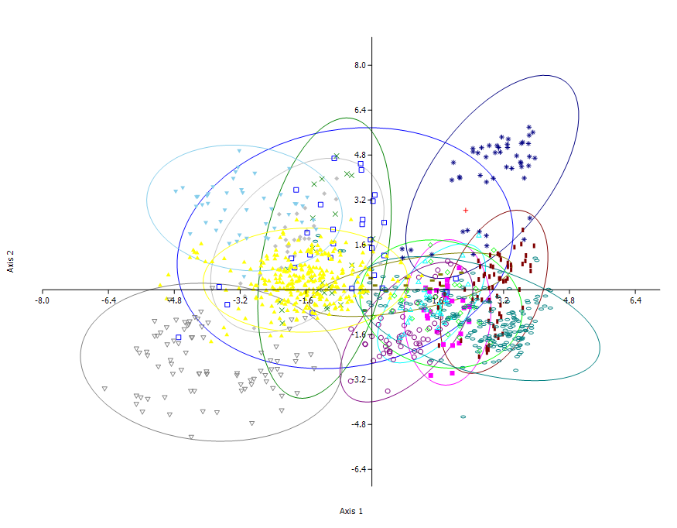

Ellipses are 95% confidence intervals. The Skye tooth is marked by a red cross. The analysis classifies the tooth as a spinosaurid. It falls within the confidence intervals of abelisaurids (blue squares) and spinosaurids (blue asterisks). If convex hulls are plotted, the Skye tooth is found to plot within the spinosaurid morphospace envelope only.

 | Axis 1 | Axis 2 | Axis 3 | Axis 4 | Axis 5 | Axis 6 | Axis 7 | Axis 8 | Axis 9 | Axis 10 | Axis 11 | Axis 12 | Axis 13
Skye_Tooth | 2.2794 | 2.8333 | -0.34402 | -0.071883 | 1.6141 | -1.7325 | 5.79E-266 | 2.3309E-313 | 0 | -1.7789 | -2.4074 | -0.055884 | -4.5299
Eoraptor | -2.092 | 1.7798 | 2.4994 | 0.13125 | 1.3388 | 1.6936 | -1.23E-265 | -2.3441E-313 | 0 | 10.085 | 2.3374 | 4.9602 | 5.4499
Eoraptor | -2.7123 | 0.53485 | 3.0537 | 2.9561 | 0.63721 | 2.4502 | -2.75E-265 | -8.6286E-313 | 0 | 13.376 | 3.5248 | 4.5145 | 9.1545
Eoraptor | -2.7825 | 0.14354 | 3.4317 | 1.0071 | 0.56075 | 2.6244 | -2.00E-265 | -5.522E-313 | 0 | 11.653 | 3.616 | 4.7131 | 8.3972
Eoraptor | -2.1089 | 2.2295 | 2.4856 | 0.8434 | 1.9965 | 0.72211 | -1.74E-265 | -5.6241E-313 | 0 | 8.3456 | 0.69744 | 4.7613 | 4.2341
Eoraptor | -2.3442 | 1.5574 | 2.5559 | 1.4663 | 2.0164 | 0.12144 | -2.25E-265 | -9.1379E-313 | 0 | 5.9337 | -0.4317 | 3.9396 | 3.7393
...

Phylogeny
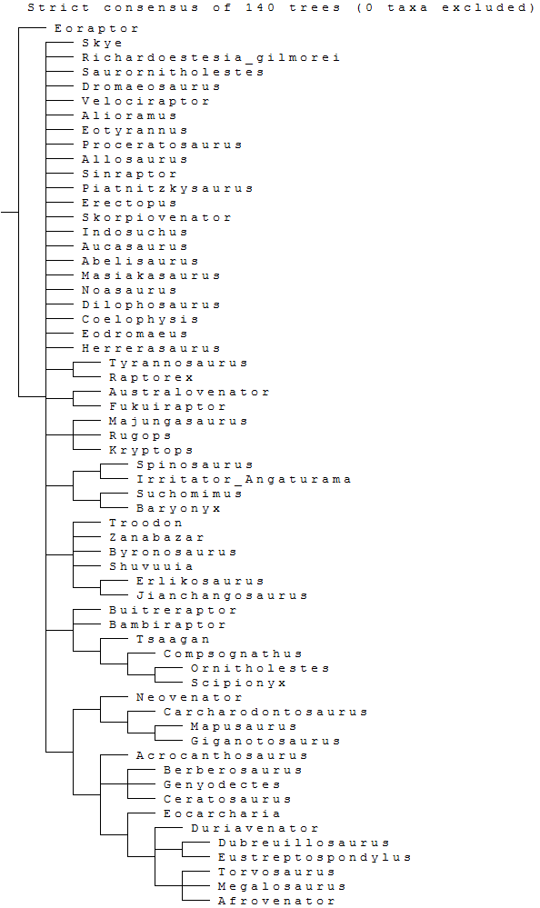
Skye Tooth: Scores for Hendrickx & Mateus (2014)
?
?
?
?
?
?
?
?
?
?
?
?
?
?
?
?
?
?
?
?
?
?
?
?
?
?
?
?
?
?
?
?
?
?
?
?
?
?
?
?
?
?
?
?
?
?
?
?
?
?
?
?
?
?
?
?
?
?
?
?
?
?
...

